Sheet1
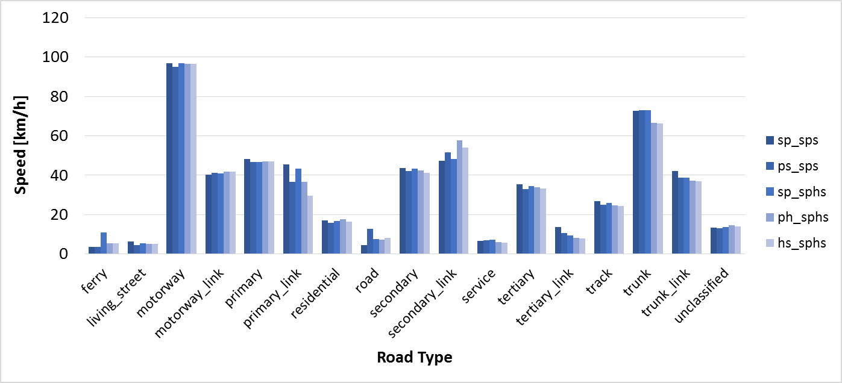
Highway | hs_sphs | hs_sphs[m/s] | ph_sphs | ph_sphs[m/s] | ps_sps | ps_sps[m/s] | sp_sphs | sp_sphs[m/s] | sp_sps | sp_sps [m/s] | speed[m/s] | speed[km/h]
ferry | 5.4629200296 | 1.517477786 | 5.4629200296 | 1.517477786 | 3.6 | 1 | 10.811675676 | 3.0032432432 | 3.6 | 1 | 3.5014216134 | 12.605117808
living_street | 5.1088603844 | 1.4191278846 | 5.2708497548 | 1.4641249319 | 4.3799039038 | 1.2166399733 | 5.3740169039 | 1.4927824733 | 6.35594501 | 1.7655402805 | 3.1932145685 | 11.495572446
motorway | 96.428927459 | 26.785813183 | 96.635313332 | 26.843142592 | 95.048077435 | 26.402243732 | 96.983317358 | 26.939810377 | 96.873441407 | 26.90928928 | 57.713383189 | 207.76817948
motorway_link | 41.680781461 | 11.57799485 | 41.780041041 | 11.605566956 | 41.10690482 | 11.418584672 | 40.751680716 | 11.31991131 | 40.207918321 | 11.1688662 | 24.548607654 | 88.374987554
primary | 46.967715424 | 13.046587618 | 47.151275195 | 13.097576443 | 46.837079184 | 13.010299773 | 46.810579229 | 13.002938675 | 48.087898636 | 13.357749621 | 28.266887153 | 101.76079375
primary_link | 29.56310539 | 8.2119737195 | 36.761673759 | 10.211576044 | 36.707660841 | 10.196572456 | 43.197058655 | 11.99918296 | 45.465157183 | 12.629210329 | 23.931118438 | 86.152026378
residential | 16.30494662 | 4.5291518389 | 17.705911998 | 4.9183088885 | 15.781782179 | 4.383828383 | 16.689383414 | 4.6359398374 | 17.206083741 | 4.7794677058 | 10.069984221 | 36.251943194
road | 8.0818620179 | 2.2449616716 | 7.3189819729 | 2.033050548 | 12.750055263 | 3.5416820175 | 7.539306668 | 2.0942518522 | 4.4835568769 | 1.2454324658 | 4.805697704 | 17.300511734
secondary | 41.330617157 | 11.480726988 | 42.382100309 | 11.772805642 | 42.226605925 | 11.729612757 | 43.311456233 | 12.030960065 | 43.566913892 | 12.101920525 | 25.622566926 | 92.241240934
secondary_link | 54.118396295 | 15.03288786 | 57.700921922 | 16.028033867 | 51.488617128 | 14.302393647 | 48.253212922 | 13.403670256 | 47.331397736 | 13.147610482 | 30.74319398 | 110.67549833
service | 5.6937292556 | 1.5815914599 | 6.1961555787 | 1.7211543274 | 6.988451152 | 1.9412364311 | 7.3243836596 | 2.0345510166 | 6.5485060447 | 1.8190294569 | 4.0172287919 | 14.462023651
tertiary | 33.325562941 | 9.2571008171 | 33.995801493 | 9.4432781924 | 33.046587965 | 9.179607768 | 34.486558227 | 9.5795995075 | 35.321478257 | 9.8115217381 | 20.457948218 | 73.648613586
tertiary_link | 7.9920504901 | 2.220014025 | 8.0748081782 | 2.2430022717 | 10.711492358 | 2.9754145439 | 9.3451615719 | 2.5958782144 | 13.666885714 | 3.7963571429 | 6.1810015578 | 22.251605608
track | 24.500517072 | 6.8056991866 | 24.650600531 | 6.8473890364 | 24.93541107 | 6.9265030751 | 25.822663054 | 7.1729619595 | 26.916144891 | 7.4767069142 | 15.283786635 | 55.021631887
trunk | 66.412087029 | 18.447801953 | 66.556420949 | 18.487894708 | 72.912057641 | 20.253349345 | 72.871887084 | 20.242190857 | 72.822807518 | 20.228557644 | 42.5358853 | 153.12918708
trunk_link | 36.944790344 | 10.262441762 | 37.323466531 | 10.367629592 | 38.659705061 | 10.738806961 | 38.806281679 | 10.779522689 | 42.078745067 | 11.688540297 | 23.411682182 | 84.282055856
unclassified | 13.972112817 | 3.8811424493 | 14.74268538 | 4.0951903834 | 12.980074574 | 3.6055762706 | 13.631878813 | 3.7866330035 | 13.383608165 | 3.7176689347 | 8.2027175526 | 29.529783189

